Table 1

Bid Number 18/19-01 Purchase and Distribution of Dry, Refrigerated & Frozen Food
DOWNEY UNIFIED SCHOOL DISTRICT 11627 BROOKSHIRE AVENUE DOWNEY, CA 90241
Issue Date: May 10, 2018
Due Date/Time: Bid Number 18/19-01 Dry, Refrig. & Frozen Food | May 29, 2018 at 11:00 AM GOlD; STAf< FOODS 3181 east Airport Drive RO, Box 4328 1 (Jntcuio, CA 91761

Table 10
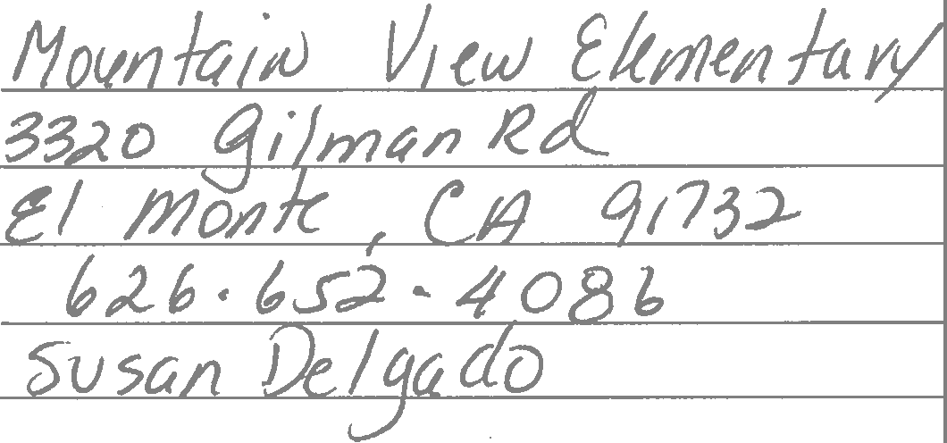
D&NI /flcKec, /
SUPPLEMENTAL INFORMATION FORM BID 18/19-01 GOLD STAR FOODS Company Name:
Please complete the qualifying criteria questionnaire and submit with your bid (use extra pages if necessary to fully answer questions): 1. Please list two (2) school references that have used your services for delivery of frozen foods:
 | A. School District: Address: Telephone# Contact: B. School District: Address: |  | Pomol?ct 05!)
00
Telephone#: Contact: 2. Will you be able to meet specific delivery hours? @ 3. Do you have a minimum delivery amount? If Yes, indicate the amount '·1S"'O, (j)N
'&d
4. What system do you have to provide: a. Current commodity balances? ll rt l:(S Q,lLJ1 \ce f e,Ifl€AN f-t ttrV\ +tU? ·\JVt:\Q Coorextthv---e_ b. <5 - - iln- to ½t- wvVJ\,L),. -So p-e[ -Cclt:>p•• 6\ • , . .
 |  | ui-wo\ b trJvteA \ vtvei,i:/To'i bUJloinlU a 1-f lLVltllCL /,J{l lM 11<..e
60 ld Jtzur C-otbY\'W( "\IJob ()Dfml . ree, .e,n l ooed WI fp pt\(\(tt. 5. What is your procedure for notifying the customer of _shortages and/or substitutions? J.-IAt iht? clt , Lvt tti\(\ pt \<-l2- ticcouf\f rlprtJt ·, vt 1ve w ii I tll Yl{-?tit 7\itR dis!VlCA I Wl11/\Q,ch ttl-eIO t1vVl a,A-- /txsJ-
 | l 4 hoVV.S orivV ·-P ci0/ vtle)\IV ,
6. How many days lead-timd' do you require for an order? V 14- d6l How many days lead-time do you require for add-ons? l!lt
,i .rt,, .
7. Do you provide on-line ordering? if 5 Bid Number 18/19-01 Dry, Refrig. & Frozen Food |  |  |  | r.:Ii,P ;1;:ooos 3 7 81 East Airport Drive po. Box 4328 r.•,?> cq7A1

Table 11
/
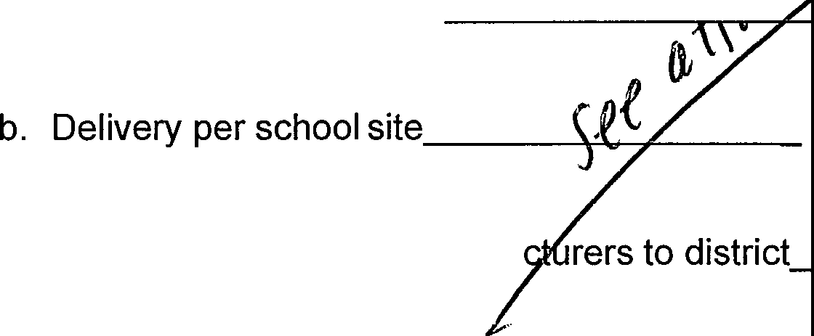
a. Delivery toWarehouse
c. Direct deliveries from manufa
 | 8. Are you bidding: Warehouse delivery only? Yes No School Site delivery only? Yes No Warehouse and School Site delivery? Yes No
9. ;:: :::c n: ::; :u: :: :s t :eli :::tirng the 8/2019 school year. What will be 8 0
 |  |  | Giselle Norton
Authorized Signa e Name/Title |  | Print
 |  |  |  | GOLD STAR FOODS 3781 East Airport Drive P.O. Box 4328 Ontario, CA 91761
Contracts Manager Gold Star Foods, Inc.
Bid Number 18/19-01

Table 12
GOLD STAR FOODS
Schoo1Year2018/2019
Min Case Cost | Max Case Cost | Fixed Mark-up per Case
$ 60.00 | ♦ | $ 10.80
$ 50.00 | $ 59.99 | $ 11.00
$ 40.00 | $ 49.99 | $ 10.35
$ 30.00 +< | $ 39.99 | $ 8.75
 | $ 29.99 | $ 7.00
*Minimum fee is $2.50/case

Table 13
District Name: Downey Unified School District |  |  |  |  | I I I I I I I | $50.23 $14.76 $25.09 $28.81 $0.00 $0.00 <:n.oo | I I I I I I I | $47.57 $14.15 $24.01 $27.64 $0.00 $0.00 <:n.oo | I I I I I I I | $0.00 $0.00 $0.00 $0.00 $22.30 $22.30 $22.30 | I I I I I I I | $0.00 $0.00 $0.00 $0.00 $22.30 $22.30 $22.30 | 1%11 t:wl .mt hi h:I ltsl | 39941 REDVL9G RPKMA9C A3500 A1410 A89320
BID 18/19-01
BID Worksheet
Instructions: Indicate Delivered Cost per case in yellow highlighted columnsfor each item. Indicate whether item meets Buv American Provision in marked columns.
Manufacturer ILine No.I Item Description Super Co-Oo Items LANDO' LAKES 1 CHEESE SAUCE, JALAPENO, RF POUCH RED GOLD 2 KETHCUP, NATURAL SUGAR, 9GM RED GOLD 3 SPAGHITTI SAUCE RED GOLD 4 MARINARA SAUCE RED GOLD 5 MARINARA DIPPING 2.5oz CUPS SIMPLOT 6_ TRADITIOIIIAL MASHED POTATOES Manufacturer ILine No. Item Description Potential New Items 1Commoe1 itvl NATIONAL FOOD GROUP 1 CMDV APPLESCE UNSWT STR BANANA NATIONAL FOOD GROUP 2 CMDV APPLESCE UNSWT PLAIN NATIONAL FOOD GROUP 3 CMDV APPLESCE UNSWT CINNAMON NATION/\L_FOOD GROUP l 4 UNSWTND MANGO PEACH APPLSCE | Commodity Item Manufacturer Code 39941 REDYL9G RPKMA9C RPKNA99 REDNA22C84 546373/ 22770 Manufacturer Code A3700 A3SOO A1410 A89320 | Pack 6/10602 1000/9GR 6/#10 6/#10 84/2.502 12/2602 Pack 96/4.Soz 96/4.Soz 96/4.Soz 96/4.Soz | Estimated Quantity 300 500 200 200 800 150 Estimated Quantity | Meets Buy American Provision? Yes/No V V V V V . V Meets Buy American Provision? Yes/No V V V V
Yes/No
i72.57 i16.73
i29.47
-91
fil.12
39
-13
i17.80 i17.80
1_7.09
fill.SO
fill.BO
26.10

Table 15
District Name: Downey Unified School District BID 18/19-01 BID Worksheet uivalents Instructions: Indicate Delivered Cost per case in yellow highlighted columns for each item. Indicate whether item meets BuvAmerican Provision in marked columns.
 |  |  |  |  |  |  |  |  |  |  |  |  |  |  |  |  |  |  |  |  |  |  |  |  |  |  |  |  |  |  |  | -
 |  |  |  |  |  |  |  |  |  |  |  |  |  |  |  |  |  |  |  |  |  |  |  |  |  |  |  |  |  |  |  |  | - -
 |  |  |  |  |  |  |  |  | Commodity Item |  |  | Meets Buy American |  |  |  |  |  |  |  |  |  |  |  |  |  |  |  |  | - - -

..
 |  |  |  |  |  |  |  |  |  |  |  |  |  |  |  |  |  |  |  |  |  |  |  |  |  |  |  |  |  |  | - - ,
Manufacturer |  |  | line No. | Item Description |  |  | Manufacturer Code |  |  |  |  | Pack | Quanti | Provision? |  |  |  |  |  |  |  |  |  |  |  |  |  | _,"' - |  | ) '-
ADVANCE PIERRE ADVANCE PIERRE ADVANCE PIERRE ADVANCE PIERRE |  | WG BROWNIE IW CMDY PORK SAUSAGE LINK CMDY DELUXE BEEF STEAK BURGER CMDY HONEY BBg GRLD PRK RIB_lfil CMDY BEEF CRUMBLES |  |  |  | 3755 1-15-320-09 3717 9737 |  |  |  | 144£202 150/1.202 150/2.0lOZ 100/3.2502 5£SLB |  |  | so 450 250 150 | i54.8S i0.00 i0.00 i0.00 i0.00 |  |  | iS7.05 i0.00 -00 -00 -00 |  | i0.00 i28.39 i3S.72 i30.69 M1.01 |  | 00 772A20W i28.39 3855 i3S.72 i30.69 3817 M1.01 9737 |  |  |  | 144£202 150£1.202 150/2.0lOZ 100£3.2502 5£5LB | Yes/No | iS7.93 iGS.12 i69.52 iS2.93 i37.57 |  |  |  | -13 i67.59 fil:2.16 -94 7.57
ADVANCE PIERRE BIG DADDY"S BUENA VISTA DON LEE FARMS DON LEE FARMS GILARDI GOLD KIST GOLD KIST GOLD KIST GOLD KIST GOLD KIST GOLD KIST INTEGRATED INTEGRATED |  | WG PB & GRAPE JELLY GRHM WAFER CMDY 6 1£2 WG BREADSTICK MOZZ PRIMO 16'" WG PEPPERONI PIZZA WG COFFEE CAKE IW 10 CMDY CHARBOILED BF STEAK BURGR 11 CMDY BEEF TACO CRUMBLE FILLING 12 WG THREE CHS CAL20NE 13 FC D MT PATTY HIX SALIS 14 WG BRO CHIX BRST FILLET 15 H&S WG BRO CHX BRST Fil 16 FC WG W£M BRD5HIX BITES 17 WG A+ BREADED TENDERLOINS 18 CMDY FC WG B_fill_CHX 8PC-CUP UP 19 WG BRD DK MT CHIX SMCKRS LOW SODIUM CHIU CHS DOG IW CMDY WG GRILLED CHEESE |  |  |  | A1290 90158 90040 CN 1400W CNg85104 16272-20120 7516 7517 7518 7572 7812 110458 952000 C70303 |  |  |  | 160/2.302 96£20Z 9/41.SOZ 72£402 60£402 4/lOLB 60£4.6902 3SS/1.3SOZ 120/402 120£402 128/3.7502 110/4.3502 30LB 72/4.SOZ 72£4.1902 |  |  | 75 500 40 1900 300 300 900 450 555 750 675 | i7337 i0.00 i62.51 M2.23 00 i0.00 i39.75 i67.03 .10 .10 .10 i6S.67 -00 iS9.00 i5S.84 i0.00 |  |  | i76.55 -00 i65.37 M3.87 iD.00 i0.00 Ml.63 i71.55 i92.29 i92.29 i92.29 i69.05 i0.00 i62.62 iS8.10 i0.00 |  | .00 i37.74 -00 i0.00 i25.25 i6S.OO i0.00 i0.00 i0.00 i0.00 00 -00 i0.00 i0.00 i0.00 M3.18 |  | i0.00 i37.74 i0.00 -00 i25.25 i65.00 i0.00 i0.00 i0.00 i0.00 i0.00 i0.00 i0.00 -00 -00 M3.18 |  | A1290 90158 90040 CNQ11400W CNQ85104 16272-20120 7517 7518 7572 7812 110458 952000 |  | 160£2.302 96/202 9/41.SOZ 72£402 60£402 4£10LB 60£4.6902 355/1.3502 120/402 120£402 128£3.7502 110£4.3502 3SLB 30LB 72£4.SOZ 72/4.1902 | 3.84 i48.79 i75.55 M3.29 i2D.25 i52.00 M9.63 i119.04 ill0.28 ill0.28 ill0.28 i89.00 i65.95 i95.32 i59.56 i59.85 |  |  |  |  | 7.03 0.65 fil:8.42 .94 i20.25 iS2.00 iSl.52 i!.23.56 i!.14.47 i114.47 i!.14.47 i9238 .46 8.94 i61.82 2.13
JENNIEO JENNIEO JENNIEO JENNIEO JENNIEO JTM LANDO LAKES LANDO" LAKES LANDO' LAKES LANDO' LAKES LANDO' LAKES LANDO' LAKES LOS CABOS MCCAIN ORE-IDA PIAZZA PIAZZA ROSE&SHORE SIMPLOT |  | 22 All NTRL OVN RST TRKY BRST SLC 23 ALL NATURAL UNJ:cURED TRKY HAM 24 PRE COOKED TURKEY BACON BITS 25 1£2'" DICED TURKEY HAM 26 TURKEY TACO Cfill_MBLE 27 THREE BEAN VEGETABLE CHILI 28 CMDY RS BF M_Ifil$ W£MUSHROOMS 29 WG MAC & CHEES!c 30 CHEESE, SHREDDED CHEDDAR 31 CHEESE, SLICED AIIAERICAN 32 STRING CHEESE 33 MILD CHEDDAR CHS STICK IW 34 CO-JACK CHEESE21CK IW 35 CH & TRKY SAUSG GRN/CHL SALSA 36 CRISPY SEASONED WEDGES 8-CUT 37 PLAIN POTATO TATER TOTS 16'" WG 10 CUT CHEESE PIZZA (WILD MIKES 39 16'" WG 10-CUT PEPPERONI PIZZA (WILD MIKES) 40 CMDY SHREDDED PORK CARNITAS JR BUFFALO SLICES |  |  |  |  |  | 2318-12 2568-21 6409 5383 43292 41749 46255 44877 98375 OIF0021SA 20210 790 479208/ 10071179479208 |  |  |  | 6/21LB 6/2LB 12/1-1.SLB 2£5LB 8/SLB 6£SLB 6/SLB 6£SLB 4£5LB 6£SLB 168/lOZ 1§8£102 1§8£102 120£3.7502 6£SLB 6/SLB 90£5.4902 90£5.SOZ 4/lOLB 6£4LB | S30 330 70 100 25 150 660 150 so 500 60 30 so 450 650 650 80 820 | i38.57' i33.23 i168.59 i26.42 i118.55 iS2.04 -00 .88 i17.87 i28.58 i17.06 i20.91 i20.91 i70.32 i27.24 ilS.46 i63.42 i67.05 _?_0.00 i20.62 |  |  | .98 i3S.15 i175.84 i27.99 i124.92 iS4.04 i0.00 M1.13 i19.81 i31.03 ilS.37 i22.37 i22.37 i73.24 i28.49 i19.38 i66.54 i70.21 -00 i21.58 |  | i0.00 i0.00 i0.00 -00 -00 i0.00 MS.OS i0.00 i0.00 i0.00 i0.00 i0.00 i0.00 i0.00 i0.00 i0.00 i0.00 -00 i67.60 i0.00 |  | i0.00 2318-12 i0.00 2568-21 i0.00 8716-02 i0.00 6409 i0.00 6398-40 -00 5383 MS.OS CP5053 i0.00 43292 i0.00 41749 i0.00 46255 i0.00 59701 i0.00 i0.00 44877 -00 98375 -00 1000000496 i0.00 OIF0021SA i0.00 20211 i0.00 20210 i67.60 790 -00 479208 |  |  |  | 6£21LB 6£2LB 12£1-1.SLB 2£5LB 8/SLB 6£5LB 6£5LB 6/SLB 4£5LB 6£SLB 168£102 168/lOZ 168/lOZ 120/3.7502 6£5LB 6/SLB 90/5.4902 90£5.SOZ 4£10LB 6/4LB | i63.66 i50.63 i190.98 M1.22 i167.80 iS2.78 i36.05 iS9.33 iS0.98 i64.61 i34.44 i38.29 i38.29 i77.04 i32.96 i24.18 2.06 3.26 iSS.60 i25.20 |  |  |  |  | i66.08 2.56 il98.23 M2.18 i174.18 i54.78 i36.05 1.58 iS2.91 i67.06 i?S.75 i?9.75 i?9.75 9.96 i34.22 5.10 5.18 6.42 iSS.60 6.15
SIMPLOT SMUCKERS SMUCKERS SUNNY FRESH SUNNY FRESH TONY ROBERTS TONYS TONYS |  | 42 JR BUFFALO FRIES (SIDEWINDERSl WG PB& STRAW UNCRUSTABLE 44 WG PB & GRAPE UNCRUSTABLE 45 BACON & CHS EGG STRAVAGANZA 46 PRE COOKED SCRAMBLED EGGS 47 WG 6'" GARLIC CHEESE TOAST BULK 48 WG TKY SAUSAGE BREAKFAST PIZZA 49 WG BRKFST SQUARE W/ SALIS (COUNTRY GRAW) |  |  |  |  |  | 1.00712E+13 5150006961 5150006960 40828 40827£40827 66256 78352 |  | 6/4LB 72£2.602 72£2.602 4£5LB 4£SLB 60£4.302 128£3.3102 128/302 |  |  | 160 3720 195 1000 810 200 | _?_20.62 .28 i38.38 M9.so i29.23 M2.19 M3.34 M1.18 |  |  | i21.58 Ml.96 i39.98 iSl.62 i30.64 -88 M5.20 M9.78 |  | i0.00 i0.00 _?_0.00 -00 -00 i0.00 _?_0.00 i0.00 |  | -00 _?_0.00 i0.00 _?_0.00 i0.00 -00 -00 00 |  | 1.00712E+13 5150006961 5150006960 40928 40827£40827 66256 63912 78352 |  | 6£4LB 72£2.602 72£2.602 4£SLB 4£SLB 60£4.302 128/3.3102 128£302 | i2S.20 .07 M2.11 iSS.85 i36.91 iSS.01 i49.16 _?_52.77 |  |  |  |  | i26.15 MS.75 M3.n i_57.97 i38.32 7.10 iSl.03 i_54.77
TYSON TYSON | so DK WG BRD TRAD DRUMSTICKS 51 CHICKEN FAJITA 52 100% WG MANDARIN ORNG CHX 53 100% BBg TRYKI CHICKEN |  |  |  | 666010-0928 003522-0928 8-52724-15552-4 8-52724-15554-8 |  |  |  |  |  | 108£4.402 8£4.99LB §/SLB 6£SLB |  | 510 550 480 | i71.90 |  |  | i75.44 666010-0928 |  |  |  |  |  |  |  | 108/4.402 | _?_93.15 |  |  |  |  | 6.68
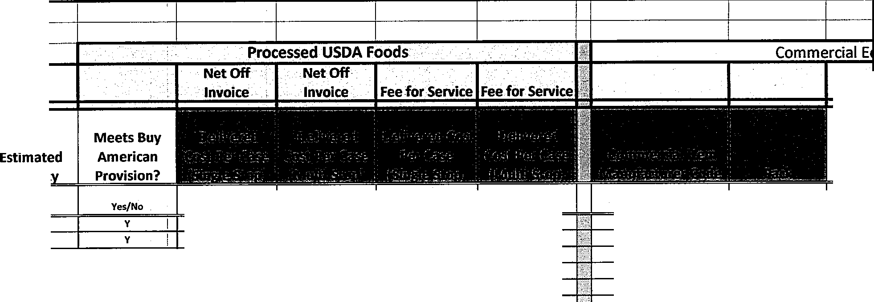
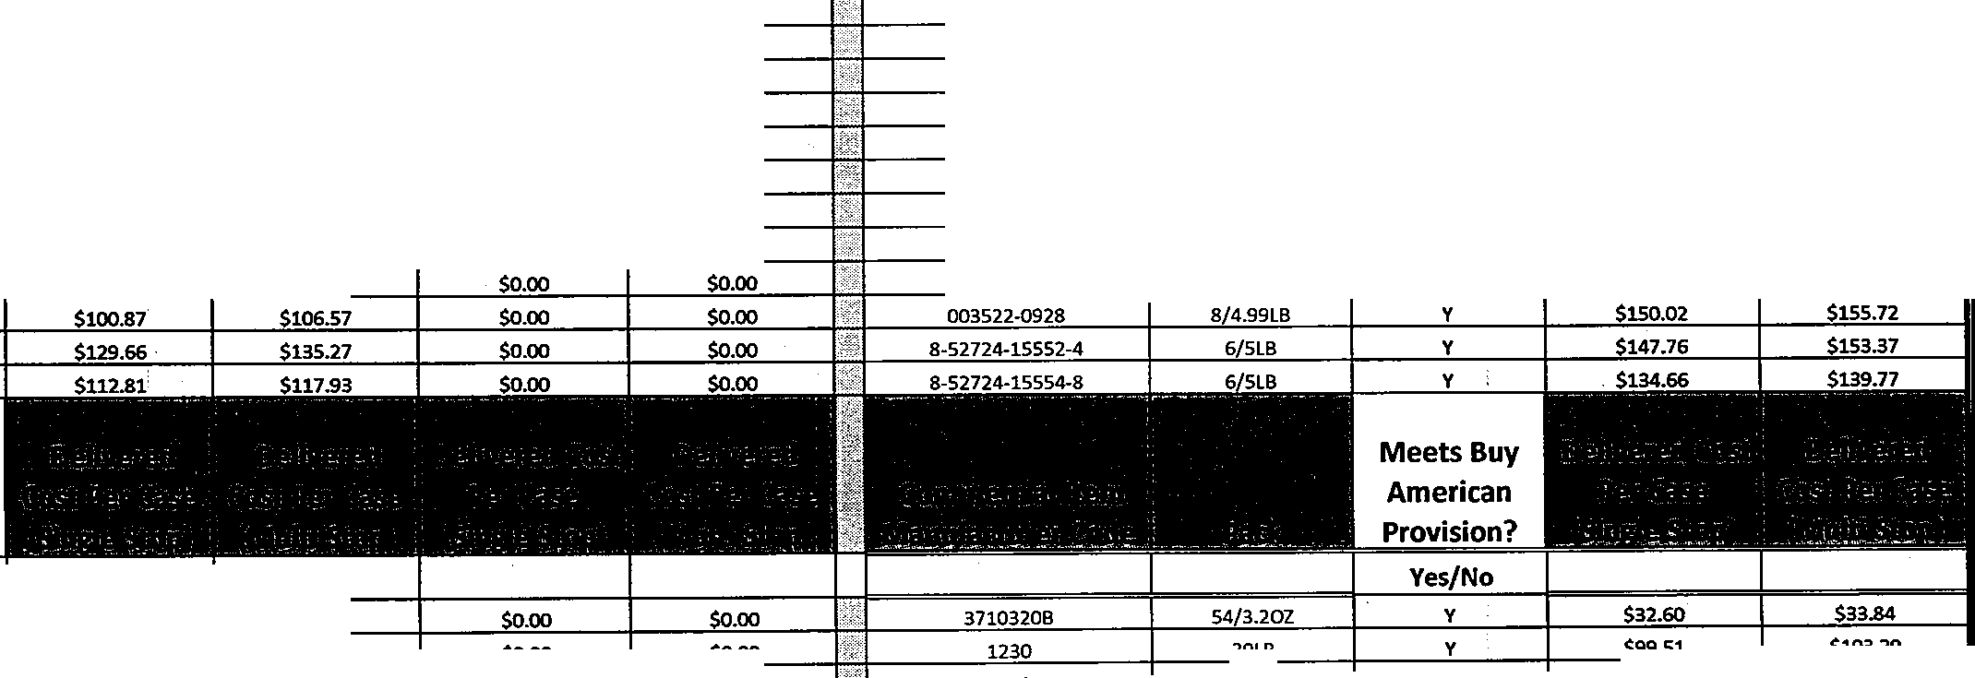
Manufacturer I Line No. Potential New Items (Commodi ARIZONA GOLD GOLD KIST GOLD KIST GOLD KIST GOLD KIST GOLD KIST JENNIEO l_ENNIEO |  |  |  | Item Descrip_tion BURRITO WG EGG CHSE CHORIZO DICED CHICKEN ITAUAN STYLE CN CHICKEN MEATBALLS WHOLE MUSCLE GRLLD FILLET 4 PIECE ROASTED BREAST AND THIGH SPICY GUAJILLO TENDERLOINS SLICED 3/4 OZ CANADIAN HAM SJCD 3/4 OZ CANADIAN HAM |  |  | Manufacturer Code 3710320B 1230 6410 7520 88013 7576 |  |  |  |  | Pack 54£3.202 30LB 4£5LB 30LB 110£30LB 8/3.llB ll/3.llB | Estimated Quanti!'{_ 40 400 100 80 90 200 |  | Meets Buy American Provision? Yes[No | i29.72 _?_67.27 -00 1.42 i0.00 i0.00 i7S_.53 §_ |  | _?_30.96 i71.05 i0.00 5.29 _?_0.00 _?_0.00 i79.75 64.02 |  | i0.00 i0.00 00 i0.00 _?_0.00 | i0.00 | i0.00 _?_0.00 .00 i0.00 i0.00 | _?_0.00 | 6410 7520 88013 7576 2031 20 1-35 | 30LB 30LB 4£SLB 30LB 110£30LB 8£3.llB | i99.51 illS.72 ilOl.78 i109.10 _?_91.24 i111.28 88.41 |  |  |  |  | fil-03.29 fil-20.11 fil-05.65 fil-13.24 i94.71 i115.51 ,91.77

Table 35
**NOTE-BED FONT INQJCATES PBODTICT CHANGE EQB CQMMFBCIAT ITEMS SEE ITEM INFO

YANGS | 53 | 100% BBQ TRYKI CHICKEN | 8-52724-15554-8 | 6/5LB | 480 | y | - -- - - - - - - - - - - - |  |  |  | -- -·,r |  |  | -·-. |  |  |  |  | -7
Manufacturer | Line No. | Item Description | Manufacturer Code | Pack | Estimated Quantity | Meets Buy American Provision?

 |  |  |  |  |  |  |  |  |  |  |  | 11 I | -- 7 -_ .
 |  |  |  |  |  |  |  |  |  |  |  | WM
 |  |  |  |  |  |  | " ,. .. -· - ' :
Potential New Items Commodity |  |  |  |  |  | Yes/No |  |  |  |  |  |  |  |  |  | Yes No
ARIZONA GOLD | 1 | BURRITO WG EGG CHSE CHORIZO | 3710320B | 54/3.202 | 40 | y | $ 29.72 $ 30.96 |  | $ | $ |  | 3710320B |  |  | 54/3.202 | y | $ 32.60 $ 33.84
GOLD KIST | 2 | DICED CHICKEN | 1230 | 30LB | 400 | y | $ 67.27 $ 71.05 |  | $ | $ |  | 1230 |  |  | 30LB | y | $ 99.51 | $ 103.29
GOLD KIST | 3 | ITALIAN STYLE CN CHICKEN MEATBALLS | 6410 | 30LB | 100 | y | $ | $ | $ | $ |  | 6410 |  |  | 30LB | y | $ 115.72 $ 120.11
GOLD KIST | 4 | WHOLE MUSCLE GRLLD FILLET | 7520 | 4/SLB | 80 | y | $ 81.42 $ 85.29 |  | $ | $ |  | 7520 |  |  | 4/5LB | y | $ 101.78 $ 105.65
GOLD KIST | 5 | 4 PIECE ROASTED BREAST AND THIGH | 88013 | 30LB | 90 | y | $ | $ | $ | $ |  | 88013 |  |  | 30LB | y | $ 109.10 $ 113.24
GOLD KIST | 6 | SPICY GUAJILLO TENDERLOINS | 7576 | 110/30LB | 200 | y | $ | $ | $ | $ |  | 7576 |  |  | 110/30LB | y | $ 91.24 $ 94.71
JENNIE 0 | 7 | SLICED 3/4 OZ CANADIAN HAM | 2031 | 8/3.lLB |  | y | $ 75.53 $ 79.75 |  | $ | $ |  | 2031 |  |  | 8/3.lLB | y | $ 111.28 $ 115.51
JENNIE 0 | 8 | SLCD 3/4 OZ CANADIAN HAM | 2031-35 | 8/3.lLB |  | y | $ 60.66 $ 64.02 |  | $ | $ |  | 2031-35 |  |  | 8/3.lLB | y | $ 88.41 | $ 91.77
JTM | 9 | CMDY COOKED DICED PORK | CP5888 | 6/5LB | 30 | y | $ | $ | $ 67.50 $ 67.50 |  |  | 5888CE |  |  | 6/5LB | y | $ 125.10 $ 129.85
JTM | 10 | CMDY BEEF PHILLY STEAK | CP5813 | 6/5LB | 50 | y | $ | $ | $ 64.72 $ 64.72 |  |  | CP5813 |  |  | 6/5LB | y | $ 52.72 $ 52.72
JTM | 11 | DICED TURKEY COOKED | 5889 | 30LB | 110 | y | $ 77.77 $ 82.47 |  | $ | $ |  | 5889 |  |  | 30LB | y | $ 123.74 $ 128.44
JTM | 12 | WG RS MAC AND CHEESE LG ELBOW | 5768 | 60OZ (170.lG) | 75 | y | $ 41.80 $ 43.84 |  | $ | $ |  | 5768 |  |  | 60OZ (170.lG) | y | $ 53.72 $ 55.76

JTM | 13 | ALFREDO SAUCE RF | 5722 | 6/5LB | 100 | y | $ 45.33 $ 47.56 |  | $ | $ |  | 5722 |  |  | 6/5LB | y | $ 58.76 $ 60.99
JTM | 14 | CMDY COOKED DICED BEEF | CP5887 | 6/5LB | 30 | y | $ | $ | $ 67.50 $ 67.50 |  |  | CP5887 |  |  | 6/5LB | y | $ 55.50 $ 55.50
NARDONE BROS | 15 | INDIVIDUAL 6" BUFFALO CHICKEN PIZZA | 625WBC2 | 60/6OZ | 20 | y | $ | $ | $ | $ |  | 625WBC2 |  |  | 60/6OZ | y | $ 56.71 | $ 58.86
PIAZZA | 16 | WG CHEESE BITES WILD MIKE'S) | 11003 | 240/lOZ | 300 | y | $ 54.64 $ 57.17 |  | $ | $ |  | 11003 |  |  | 240/lOZ | y | $ 66.85 $ 69.39
SMUCKERS | 17 | WG PB& GRAPE UNCRUSTABLE LRG | 5150021027 | 72/5.302 |  | y | $ 69.75 $ 72.64 |  | $ | $ |  | 5150021027 |  |  | 72/5.302 | y | $ 76.34 $ 79.24
SMUCKERS | 18 | WG PB& STRAW UNCRUSTABLE LRG | 5150021028 | 72/5.302 |  | y | $ 71.34 $ 74.39 |  | $ | $ |  | 5150021028 |  |  | 72/5.302 | y | $ 80.16 $ 83.20
SUNNY FRESH | 19 | BASIC EGG PATTY | 40636 | 390/1.402 | 20 | y | $ 31.44 $ 32.95 |  | $ | $ |  | 40636 |  |  | 390/1.402 | y | $ 39.78 $ 41.29
SUNNY FRESH | 20 | FIESTA CHEESE OMELET | 40187 | 210/2.202 | 20 | y | $ 67.27 $ 70.16 |  | $ | $ |  | 40187 |  |  | 210/2.202 | y | $ 76.16 $ 79.05
SUNNY FRESH | 21 | COLBY CHEESE OMELET PRE COOKED | 40176 | 225/2.lOZ | 20 | y | $ 68.75 $ 71.71 |  | $ | $ |  | 40176 |  |  | 225/2.lOZ | y | $ 78.16 $ 81.13
SUNNY FRESH | 22 | GRILLED EGG PATTIES | 40710 | 369/1.2502 | 20 | y | $ 38.56 $ 40.37 |  | $ | $ |  | 40710 |  |  | 369/1.2502 | y | $ 47.88 $ 49.70
WAWONA | 23 | CMDY STRAWBERRY POP | 4910 | 96/4.SOZ | 60 | y | $ | $ | $ 25.19 $ 25.19 |  |  | 4910 |  |  | 96/4.SOZ | y | $ 20.19 $ 20.19
WAWONA | 24 | CMDY MIXED BERRY POP | 4920 | 96/4OZ | 60 | y | $ | $ | $ 40.59 $ 42.09 |  |  | 4920 |  |  | 96/4OZ | y | $ 57.94 $ 60.14
Manufacturer | Line No. | Item Description | Manufacturer Code | Pack | Estimated Quantity | Meets Buy American Provision? | Delivered Cost Per Case (Single Stop) | Delivered Cost Per case {Multi Stop)

a
Commercial Items |  |  |  |  |  | Yes/No
AVOKING | 1 | GUACAMOLE TUBS | 6125 | 3/6LB | 150 | y | $ 42.93 $ 44.56
ADVANCE PIERRE | 2 | VEGGIE PATTIE WITH TRYKI SAUCE | 9285 | 100/2.902 | 50 | y | $ 41.82 $ 43.41
BAKE CRAFTERS | 3 | WG FRENCH TOAST STICKS | 447 | 5/2LB | 500 | y | $ 20.54 $ 21.32
BELL TASTY | 4 | TURKEY TACO NADA W | 6TT200W | 60/5OZ | 120 | y | $ 44.39 $ 46.08
BRIDGFORD | 5 | WHITE WHEAT CNNMN ROLL DOUGH | 6719 | 144/2.SOZ | 350 | y | $ 39.02 $ 40.51
BUENA VISTA | 6 | WG COFFEE CAKE IW | 90040 | 72/4OZ | 1000 | y | $ 43.29 $ 44.94
BUENA VISTA | 7 | WG PUMPKIN COOKIE IW | 72820 | 150/lOZ | 80 | y | $ 36.89 $ 38.29
BUENA VISTA | 8 | WG CHOC CHIP BROWNIE BITE IW | 83330 | 120/1.302 | 250 | y | $ 38.41 $ 39.87
BUENA VISTA | 9 | TURKEY COOKIE IW | 73720 | 150/lOZ | 80 | y | $ 36.89 $ 38.29
BUENA VISTA | 10 | WG RFC/CHIP COOKIE IW | 79010 | 200/lOZ | 650 | y | $ 41.46 $ 43.04
BUENA VISTA | 11 | WG RF CHOC/CHIP CKIE DGH | 78010 | 216/lOZ | 1500 | y | $ 35.67 $ 37.03
BUENA VISTA | 12 | WG BROWNIE IW | 82220 | 96/2OZ | 120 | y | $ 37.80 $ 39.24
BUENA VISTA | 13 | WG BLUE STAR COOKIE IW | 74040 | 150/1.202 | 80 | y | $ 36.89 $ 38.29
CALIFORNIA LAVASH | 14 | WG NAAN LAVASH | 2102 | 5/20CT | 10 | y | $ 31.94 $ 33.15
CH GUENTHER & SON | 15 | WG SIMPLE SPLIT BISCUIT | 32271 | 144/2.2502 | 300 | y | $ 29.01 $ 30.11
DAVES | 16 | WG CRUMN SQUARE IW | 325 | 45/2.202 | 150 | y | $ 19.33 $ 20.06
DAVES | 17 | WG BROWNIE CUP IW | 126 | 90/1.SOZ | 75 | y | $ 24.27 $ 25.19
DEL REAL | 18 | SALSA MOLCAJETE VERDE | 503-5 | 3/4LB | 250 | y | $ 21.41 $ 22.23
DEL REAL | 19 | WG CHEESE & GREEN CHILI TAMALE | 766 | 48/5OZ | 200 | y | $ 45.09 $ 46.80
DEL REAL | 20 | WG CHICKEN GREEN TAMALE | 783 | 48/6OZ | 300 | y | $ 55.04 $ 57.13
DEL REAL | 21 | SALSA MOLCAJETE ROJA | 504-5 | 3/4LB | 125 | y | $ 21.41 $ 22.23
DEL REAL | 22 | SHREDDED CARNITAS | 101 | 5/4LB | 550 | y | $ 98.57 $ 102.32
DEL REAL | 23 | CHICKEN TAMALES IN GREEN SAUCE | 124 | 48/5OZ | 550 | y | $ 44.01 $ 45.68
DEL REAL | 24 | WG CHICKEN TAMALE RED SAUCE | 767 | 48/5OZ | 400 | y | $ 45.09 $ 46.80
DEL REAL | 25 | BEAN & CHEESE PUPUSA | 705 | 8/5CT | 350 | y | $ 40.90 $ 42.46
DEL REAL | 26 | SHREDDED BEEF | 222 | 4/5LB | 400 | y | $ 114.18 $ 118.52
DON LEE | 27 | PROTEIN VEGGIE PATTIES | CN10325 | 72/3.2OZ | 50 | y | $ 72.52 $ 75.28
EISENBERG | 28 | 6" ALL NATRUAL BF FRANKS 8/1 | 119 | 2/5LB | 650 | y | $ 42.44 $ 44.05
FIESTA SANTA FE | 29 | WG BEAN & CHS BURRITO WRAP IW | FFC60575WG | 60/5.7502 | 650 | y | $ 51.52 $ 53.48
FRESH PRODUCE | 30 | EDAMAME FRZN SHELLED 1/24# | F997 | 1/24LB | 75 | y | $ 31.37 $ 32.56
GOLDEN CRUST | 31 | CHOCOLATE CHIP MUFFIN, 4OZ | 8505 | 48/CS | 6000 | y | $ 27.32 $ 28.35
HILLSHIRE | 32 | HAM PATTY | 31339/417148 | 1/12LB | 450 | y | $ 27.37 $ 28.41
J&J SNACK FOODS | 33 | BENEFIT BRKFST BAR OAT/CHOC IW | 40401 | 48/2.SOZ | 1650 | y | $ 23.17 $ 24.05
J&J SNACK FOODS | 34 | BENEFIT BRFST BAR BAN/CHOC IW | 40402 | 48/2.SOZ | 1200 | y | $ 23.17 $ 24.05

Table 38
CERTIFICATION AND DISCLOSURE STATEMENTS Following is an explanation of submittal requirements of the Suspension and Debarment Certification Statement and the Certification Regarding Lobbying by School Food Authorities (SFA) and Food Service ManagemenUConsulting Companies. Beginning with the 1998/99 school year, instructions to comply with procurement requirements by completion of these certifications will be included in the annual renewal of School Nutrition Programs. The applicability of this information begins with the 1998/99 school year and is for SFAs that meet one of the following criteria: • The SFA's estimated annual federal child nutrition reimbursement will exceed $100,000. • The SFA's annual contract with a vendor exceeds $100,000. • The SFA utilizes a Food Service Management or Consulting Company and the annual contract exceeds $100,000. Suspension and Debarment Certification This certification is required to be completed by the contractor each time an SFA renews or extends an existing contract that exceeds $100,000. The certification is also required when an SFA puts out bids for goods and services that will exceed $100,000. In these instances, the SFA must obtain a completed Suspension and Debarment Certification from either the potential vendor or existing contractor before any transactions can occur between the sponsor and the vendor or contractor (7 CFR 3017.110). This certification is required as part of the original bid, contract renewal, or contract extension to assure the SFA that the vendor or any of its key employees have not been proposed for debarment, debarred, or suspended by a Federal agency. While this certification is required for all contracts in excess of $100.000, it is recommended that they be routinely requested under all procurements. The completed certification is to be attached to the signed contract and

8
Certification Regarding Lobbying SFAs that receive in excess of $100,000 in annual federal meal reimbursement must annually complete and submit this certification statement to the California Department of Education (COE), Child Nutrition and Food Distribution Division (CNFFD). The statement is part of the annual renewal of the SFA's agreement with the California Department of Education, Child Nutrition and Food Distribution Division.
In addition, when SFAs put out bids for goods and services or renew/extend existing contracts that exceed the $100,000 threshold, they are required to obtain a completed Certification Regarding Lobbying from either the potential vendors and/or existing contractors before any transactions can occur between the SFA and the vendor or contractor (7 CFR 3018.110). This certification is required as part of the original bid, contract renewal, or contract extension and is not submitted the COE. Also enclosed is the Disclosure of Lobbying Activities form. This is required to be completed if the potential or existing contractor, using other than federal funds, has paid or will pay for lobbying activities in connection with the school nutrition program agreement (Item-- ''· 9 Q e Certification Regarding Lobbying statement). GOLD S1t\R HJU . .,7 81 East A,rport onve
Bid Number 18/19-01 J Dry, Refrig. & Frozen Food 12 P.O. BOX 432
ontorio, CA 91761

Table 43
California Department of Education School Nutrition Programs Unit Child Nutrition and Food Distribution Division April 1998 Approved by 0MB 0348-0046 DISCLOSURE OF LOBBYING ACTIVITIES Complete this form to disclose lobbying activities pursuant to 31 U.S.C. 1352 (See reverse for public burden disclosure)
1.Type of Federal Action: a. Contract b. Grant C. Cooperative Agreement d. Loan e. Loan Guarantee f. Loan Insurance |  | 2. Status of Federal Action: a. Bid/offer/application b. Initial award c. Post-award |  |  | 3. Report Type: a. Initial filing b. Material change
4. Name and Address of Reporting Entity: Prime Subawardee Tier -- if known Congressional District, if known: |  |  |  | • If Reporting Entity in No. and Address of Prime:
 |  |  | ct, if known: Number, if applicable: Award Amount, if known: $
• Federal Department/Agency:
• Federal Action Number, if known:
•a.Name and Address of Lobbyin 10. b. Individuals Performing Services (including address if Entity different from No. 10a) (if individual, last name, first n (last name, first name, MI): MI):
 | (attach Continuation Sheet(s) if necessary)
• Amount of Payment (check all that apply): $ actual planned |  |  |  | • Type of Payment (check all that apply): Retainer One-time fee Commission Contingent fee Deferred
 |  |  |  |  |  | GOLD STAR FOODS 3781 East Airport Drive P.O. Box 4328 Ontario; CA 91 761
Bid Number 18/19-01 Dry, Refrig. & Frozen Food 17

 |  |  |  | 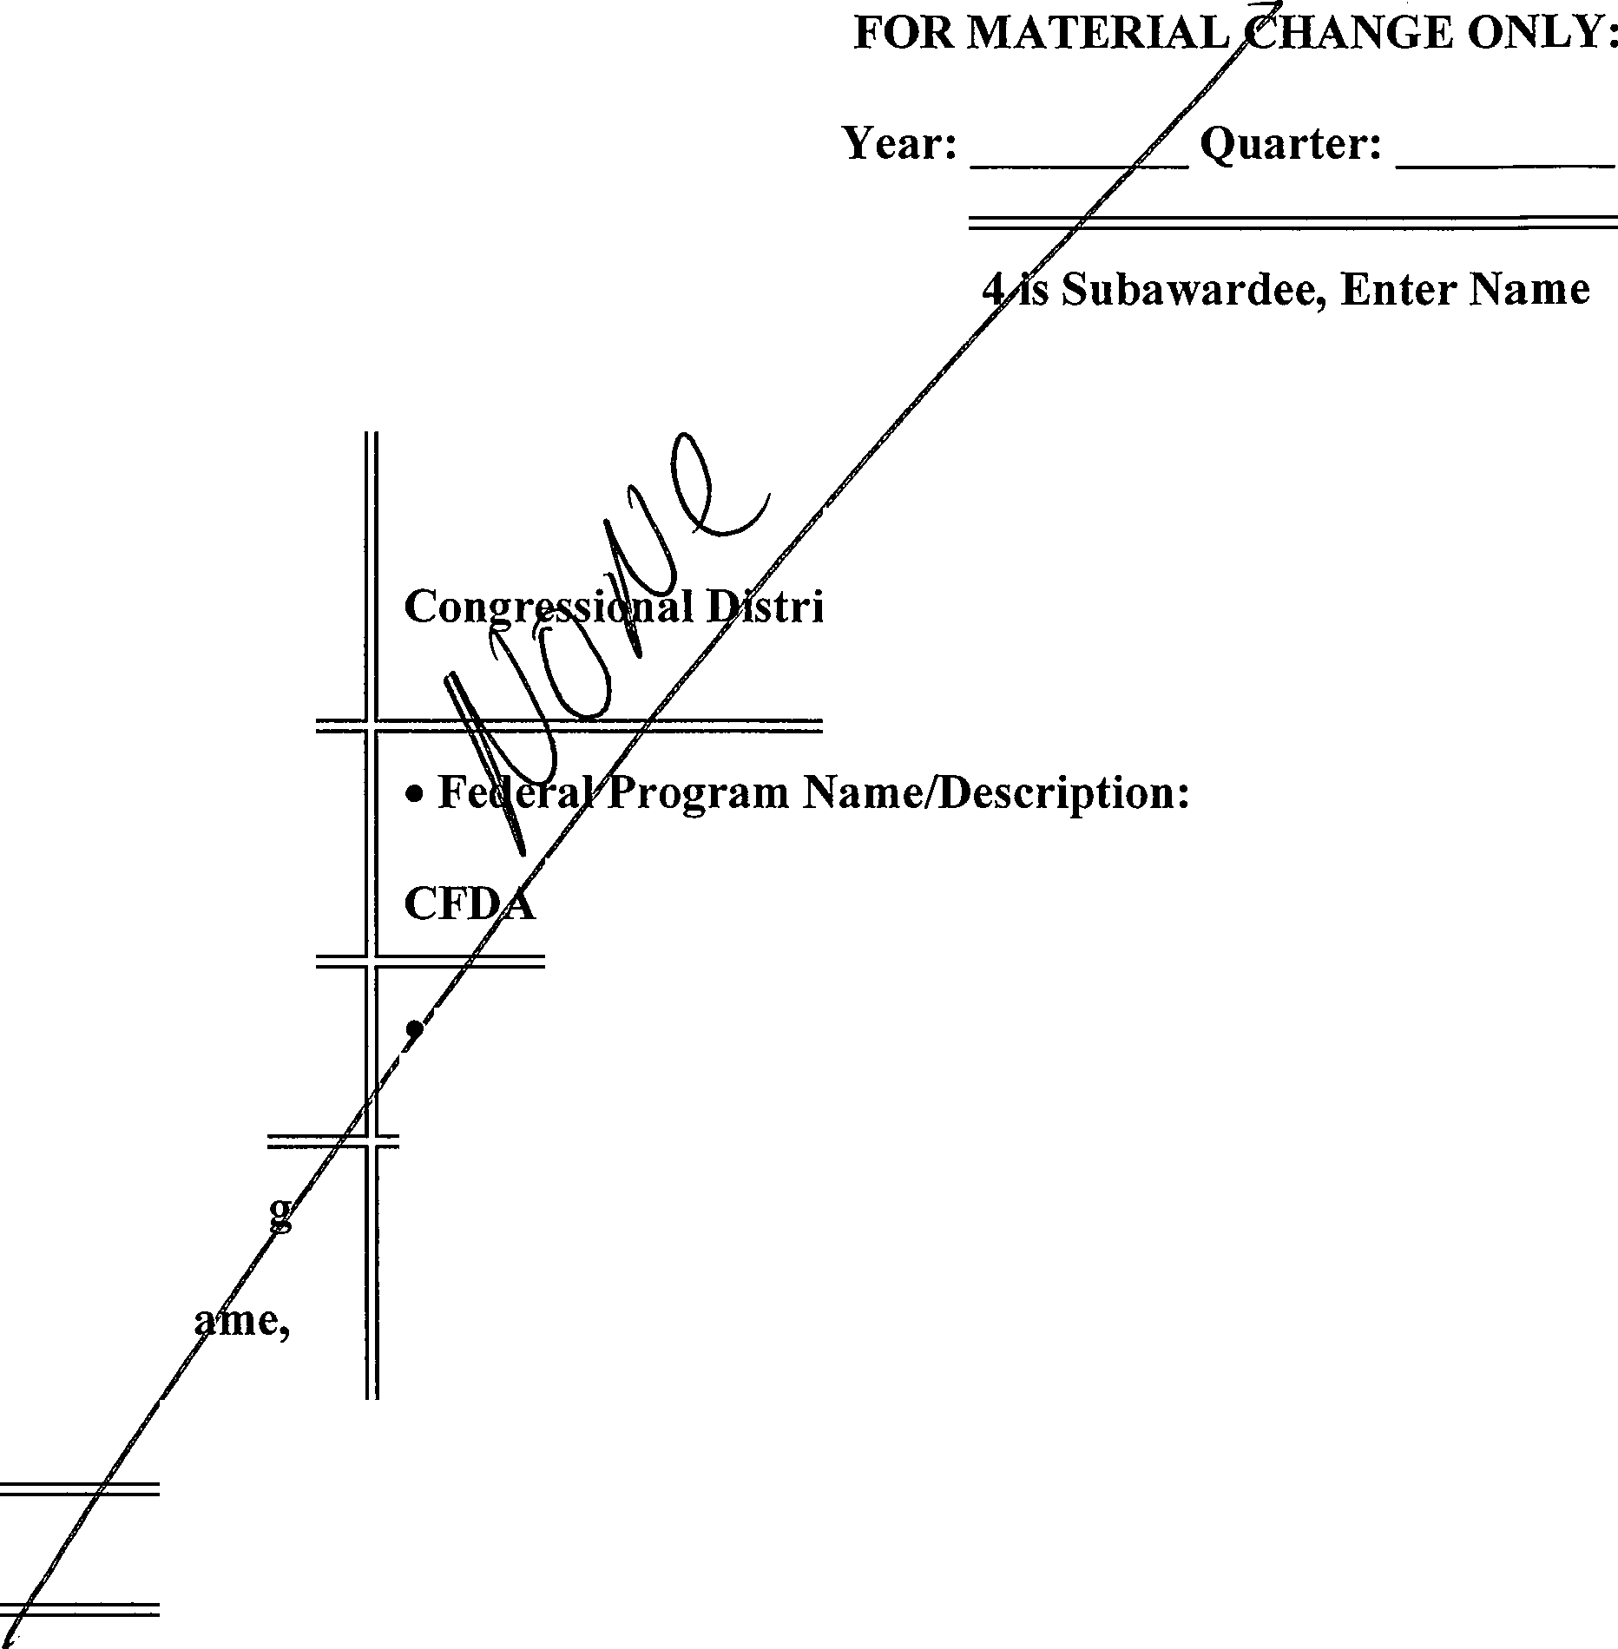

Table 46
 JGOLD STAR FOODS Hazard Analysis Critical Control Points {H.A.C.C.P.) Program January 2017 • 3781 East Airport Drive • Ontario, CA, 91761 • Phone (909) 843-9600 • Fax (909) 843-9659 • www.goldstarfoods.com

Table 49
ACORD® CERTIFICATE OF LIABILITY |  |  |  |  |  |  |  |  |  |  |  | INSURANCE 6/1/2018 |  |  |  |  | I | DATE (MM/DD/YYYY) 4/21/2018
THIS CERTIFICATE IS ISSUED AS A MATTER OF INFORMATION ONLY AND CONFERS NO RIGHTS UPON THE CERTIFICATE HOLDER. THIS CERTIFICATE DOES NOT AFFIRMATIVELY OR NEGATIVELY AMEND, EXTEND OR ALTER THE COVERAGE AFFORDED BY THE POLICIES BELOW. THIS CERTIFICATE OF INSURANCE DOES NOT CONSTITUTE A CONTRACT BETWEEN THE ISSUING INSURER(S), AUTHORIZED REPRESENTATIVE OR PRODUCER, AND THE CERTIFICATE HOLDER.
IMPORTANT: If the certificate holder is an ADDITIONAL INSURED, the policy(ies) must have ADDITIONAL INSURED provisions or be endorsed. If SUBROGATION IS WAIVED, subject to the terms and conditions of the policy, certain policies may require an endorsement. A statement on this certificate does not confer rights to the certificate holder in lieu of such endorsement(s).
PRODUCER Lockton Companies 444 W. 47th Street, Suite 900 Kansas City MO 64112-1906 (816) 960-9000 |  |  |  |  |  |  |  |  |  | CONTACT NAME:
 |  |  |  |  |  |  |  |  |  | PHONE IA/C No Extl: |  |  |  |  |  | FAX IIA/C Nol:
 |  |  |  |  |  |  |  |  |  | E-MAIL
 |  |  |  |  |  |  |  |  |  | ADDRESS: |  | INSURER(S) AFFORDING COVERAGE |  |  |  |  |  |  |  | NAIC#
 |  |  |  |  |  |  |  |  |  | INsuRER A: Travelers Indemnitv Co of CT |  |  |  |  |  |  |  |  |  | 25682
INSURED GOLD STAR FOODS INC 1379844 3781 EAST AIRPORT DRIVE ONTARIO CA 91761 |  |  |  |  |  |  |  |  |  | INSURER B : Travelers Property Casualty Co of America |  |  |  |  |  |  |  |  |  | 25674
 |  |  |  |  |  |  |  |  |  | INSURER c: Liberty Insurance Underwriters Inc |  |  |  |  |  |  |  |  |  | 19917
 |  |  |  |  |  |  |  |  |  | INSURER D : Travelers Property Casualty Insurance Co |  |  |  |  |  |  |  |  |  | 36161
 |  |  |  |  |  |  |  |  |  | INSURER E:
 |  |  |  |  |  |  |  |  |  | INSURER F:
COVERAGES |  |  |  |  |  | CERTIFICATE NUMBER: 14696564 |  |  |  |  |  |  | REVISION NUMBER: |  |  |  |  |  | xxx:xxxx
THIS IS TO CERTIFY THAT THE POLICIES OF INSURANCE LISTED BELOW HAVE BEEN ISSUED TO THE INSURED NAMED ABOVE FOR THE POLICY PERIOD INDICATED. NOTWITHSTANDING ANY REQUIREMENT, TERM OR CONDITION OF ANY CONTRACT OR OTHER DOCUMENT WITH RESPECT TO WHICH THIS CERTIFICATE MAY BE ISSUED OR MAY PERTAIN, THE INSURANCE AFFORDED BY THE POLICIES DESCRIBED HEREIN IS SUBJECT TO ALL THE TERMS, EXCLUSIONS AND CONDITIONS OF SUCH POLICIES. LIMITS SHOWN MAY HAVE BEEN REDUCED BY PAID CLAIMS.
INSR LTR | lYPE OF INSURANCE |  |  |  |  |  | ADDL IN n | SUBR wvn | POLICY NUMBER |  | POLICY EFF IMM/DD/YYYY\ |  |  | POLICY EXP IMM/DD/YYYY\ | LIMITS
A | -X | COMMERCIAL GENERAL LIABILITY CLAIMS-MADE [xJ OCCUR |  |  |  |  | y | N | 630-0F486607-TCT-17 |  | 11/1/2017 |  |  | 11/1/2018 | EACH OCCURRENCE |  |  | $ 1.000.000
 |  |  |  |  |  |  |  |  |  |  |  |  |  |  | DAMAGE TO RENTED PREMISES /Ea occurrence\ |  |  | $ 300.000
 |  |  |  |  |  |  |  |  |  |  |  |  |  |  | MED EXP (Any one person) |  |  | $ 5.000
 |  |  |  |  |  |  |  |  |  |  |  |  |  |  | PERSONAL & ADV INJURY |  |  | $ 1 000.000
Fl | GEN'LAGGREGATE LIMIT APPLIES PER: POLICY PRO- DLoc JECT OTHER: |  |  |  |  |  |  |  |  |  |  |  |  |  | GENERAL AGGREGATE |  |  | $ 2.000.000
 |  |  |  |  |  |  |  |  |  |  |  |  |  |  | PRODUCTS - COMP/OP AGG |  |  | $ 2.000.000
 |  |  |  |  |  |  |  |  |  |  |  |  |  |  |  |  |  | $
B | AUTOMOBILE LIABILllY |  |  |  |  |  | N | N | 810-0F486607-TIL-17 |  | 11/1/2017 |  |  | 11/1/2018 | COMBINED SINGLE LIMIT /Ea accident\ |  |  | 1.000.000
 | ..x_ X X | ANY AUTO |  |  |  |  |  |  |  |  |  |  |  |  | BODILY INJURY (Per person) |  |  | xxx:xxxx
 |  | OWNED - AUTOS ONLY HIRED AUTOS ONLY |  | - - | SCHEDULED AUTOS NON-OWNED AUTOS ONLY |  |  |  |  |  |  |  |  |  | BODILY INJURY (Per accident) |  |  | xxx:xxxx
 |  |  |  |  |  |  |  |  |  |  |  |  |  |  | PROPERTY DAMAGE /Per accident\ |  |  | $ xxx:xxxx
 |  |  |  |  |  |  |  |  |  |  |  |  |  |  |  |  |  | $ xxx:xxxx
B C | _x_ X | UMBRELLA LIAB MOCCUR EXCESSLIAB CLAIMS-MADE |  |  |  |  | N | N | CUP-0K422967-17-14 1000030002-06 |  | 11/1/2017 11/1/2017 |  |  | 11/1/2018 11/1/2018 | EACH OCCURRENCE |  |  | $ 25.000.000
 |  |  |  |  |  |  |  |  |  |  |  |  |  |  | AGGREGATE |  |  | $ 25.000.000
 |  | OED I | I RETENTION$ |  |  |  |  |  |  |  |  |  |  |  |  |  |  | $ xxx:xxxx
B | WORKERS COMPENSATION AND EMPLOYERS' LIABILITY YIN ANY PROPRIETOR/PARTNER/EXECUTIVE llil OFFICER/MEMBER EXCLUDED? (Mandatory in NH) If yes, describe under DESCRIPTION OF OPERATIONS below |  |  |  |  |  | N/A | N | UB-0K38396-2-17 |  | 11/1/2017 |  |  | 11/1/2018 | XI ffrnTE I I OTH- ER
 |  |  |  |  |  |  |  |  |  |  |  |  |  |  | E.L. EACH ACCIDENT |  |  | $ 1.000.000
 |  |  |  |  |  |  |  |  |  |  |  |  |  |  | E.L. DISEASE - EA EMPLOYEE |  |  | $ 1.000 000
 |  |  |  |  |  |  |  |  |  |  |  |  |  |  | E.L. DISEASE - POLICY LIMIT |  |  | $ 1.000.000
A D | LEASED/RENTED EQUIP. MOTOR TRUCK CARGO |  |  |  |  |  | N | N | Y-630-0F486607-TCT-17 660-4307B89A-TIL-17 |  | 11/1/2017 6/1/2017 |  |  | 11/1/2018 6/1/2018 | $15,033,725 LIMIT:$250,000/DEDUCTIBLE $2,500
DESCRIPTION OF OPERATIONS / LOCATIONS / VEHICLES (ACORD 101, Additional Remarks Schedule, may be attached if more space is required) THIS CERTIFICATE SUPERSEDES ALL PREVIOUSLY ISSUED CERTIFICATES FOR THIS HOLDER, APPLICABLE TO THE CARRIERS LISTED AND THE POLICY TERM(S) REFERENCED. CERTHOLDER IS ADDITIONAL INSURED ON GENERAL LIABILITY COVERAGE, IF REQUIRED BY WRITTEN CONTRACT AND SUBJECT TO THE TERMS AND CONDITIONS OF THE POLICY. THE CERTHOLDER IS AN ADDITIONAL INSURED WITH RESPECT TO THE GENERAL LIABILITY COVERAGE, WHICH IS PRIMARY COVERAGE TO THE ADDITIONAL INSURED AND OTHER AVAILABLE INSURANCE WILL BE NON-CONTRIBUTORY AS REQUIRED BY CONTRACT. SUBROGATION RIGHTS ARE WAIVED IN FAVOR OF THE CERTHOLDER AS RESPECT TO WORKERS' COMPENSATION AS REQUIRED BY CONTRACT AND WHERE ALLOWED BY LAW.
$ $ $
CERTIFICATE HOLDER CANCELLATION
14696564
© 1988
DOWNEY UNIFIED SCHOOL DISTRICT 11627 BROOKSHIRE AVENUE DOWNEY CA 92041 |  |  |  |  |  |  |  |  |  | SHOULD ANY OF THE ABOVE DESCRIBED POLICIES BE CANCELLED BEFORE THE EXPIRATION DATE THEREOF, NOTICE WILL BE DELIVERED IN ACCORDANCE WITH THE POLICY PROVISIONS.
ACORD 25 (2016/03) TheACORD name and logo are registered marks of ACORD

Table 51
 GOLD STAR FOODS CUSTOMER WEB PORTAL www.goldstarfoods.com 3781 East Airport Drive Ontario, CA 91761 (909) 846-9600 Revised May 2013

Table 52
)GOLD STAR FOODS • Nutritionals - All product nutritionals are available on the Gold Star Web Site and Web Portal. Customers can access virtually all stocked items at Gold Star's nutritional information. These are also "hyperlinked11 in the Order Guide for quick access. • Search and Query- Through the Microsoft NAV system, Gold Star is now able to offer districts the ability to search items using multiple search criteria. These include Gluten Free, SB12 Compliant, Whole Grain Counts, Protein contributions, Low Sodium, etc. When you are searching for an item this 24 hr. access enables you to source items and pricing immediately based on YOUR criteria. • Online Database New for the 2012-13 School Year and available to some Distribution Customers at no charge is a comprehensive database to evaluate products based on the characteristics and parameters critical to the regulations in the Healthy Hunger Free Act. This also will include allergens, composition, etc. • Reporting - All usage reports are available 24hours a day via the Gold Star web portal. These can be exported in a data set compatible with the district's inventory systems or via MS Excel for use internally at the district. District Usage by Vend'or- see what your district as a whole has purchased from Gold Star Site Usage by Vendor- see what a specific site has purchased from Gold Star USDA Live Inventory- see what USDA items you have at Gold Star USDA Lot History- see all USDA ever received into Gold Star on behalf of your district USDA Usage by District - see what USDA items you've purchased from Gold Star Raw Commodity Balances - Your real time raw commodity balances at vendors Commodity Discount by Vendor - see what your discount per case will be with commodities as well as what the draw down per case is for each item

 | OulekEl'ltry SearthllemsJSpee.s View Web Orders Vlev,OpenOrdor, Vlcwc1os·ed1nvok:cs

 | 011trlclU,;,gebyV!!ndor SiteUsagebyVendor USOAUvelnventory USDA.LolHlflory USDAU.sagebyO!shicl Rar,Commodlty Commodity Discount By

New Order
IALISO NIOUEL HIGH SCHOOL
Slit
S.J ,1'f Bread O BroadLJna <D Produce
OrdorTypa
l 'sj' °:N70ateMay _!,, =Enta=red By
I
2015
S M T W T f S
a 29 3') l 2 3
S E, 1 0 9 10 11
12 13 1.1 15 16 17 \6
19 ;zu 21 22 23 z.:1 25
26 27 23 29 30 31
2 3 4 5 6 7
I,
I E
!
£omments
I

Table 53
cs\\ tJGOLD STAR FOODS It will take you to "NEW ORDER" so you can place your order.
 | New Order

 | Sile ICAPISTRAN
 | Commenls
New Order
Ouie!<EnllY
Search Hems
O CENTRAL KITCHEN El) '6 Bread @ Bro dline• C) USl:>A~
[0elivery0_ate .......... lll!iil EntaredBy
Order Type
Order Guides
View Web Orders View Open Orders
Distrfct Usage by Vendor Site Usage by Vendor USDA Uvfi Inventory USDA.lot History
USDA Usage by Dlsttict
Rawcommodlty
Balances
Commodity Discount By Vendor

Table 54
STARFOODS
Select an Order Type. Either Bread (fresh bread), Broadline (Frozen, Dry, Produce, etc.), or USDA (USDA/Brown Box items only).
 |  | it • :><·,:·\#'/i |  | '0J¥e.F : 1,c,+ .,,ew10
Cl'@ !ii§ http://online.goldstorfoods.co111/0rder.aspx |  |  |  |  |  | P c x lilil lii§minil##r&ill -;ifiij16'igW,rtiWrilij Gold Star Onfine Orderi...x l:J.G*tl ®

 | tfl
 |  |  | GOLD STAR FQQDS
 |  |  |  |  |  |  | Logout1001/2

 |  |  |  |  | New Order

 | Nev,orner
 | Quick Entry Search Items Order Guides View Web Order View Open Orde
lf

Site
. OrderType
ll!/:4 @;¹·)¢1tnijiim;t-1111(11@1jii MJEII '0 Bread @ Broadllne O USDA
Order.Gulde Oellve Date
BroadllneEJI !-,-- ·---[fijjj
j
=En=te=re=d=By'-----.
s
Comments
rs
District Usege by Vendor Stte Usage by Vendor USDA Live Inventory USDA Loi History
USDA Usage by District
Raw Commodity
Balances
Commodity Discount By
Vendor

Table 55
a\1\ U,JGOLD STAR FOODS Click on Create Order
 | r r

 |  | GOLD STAR FOODS
 |  |  |  | Logout1001l2

New Order
Site
Order Type
Qulel<Entry
._IC_Af'_I_STRANo_CE_N_TRAL KI_T_C_H_EN_...,.E.J=I O Bread @ Broadline O USDA
seareh items
Order Gulde. . Delivery Date
_!:lne@ [-··-·· iii!
=En=te=red=.=cB,_y
_
Order Guides
View Web Orders ^{Comments} View Open Orders
Dlslrfct Usage by Vendor Stte Usage by vendor USDA live Inventory USDA.Lot HiStory
USDA Usage by District
Raw Commodity Balances
Commodtty Discount By Vendor
 |  |  | New Order

Table 56
c!Ji\/1\ tJGOLD STARFOODS As you are ordering, pay special attention to your f'Balance" which shows how many cases are available to you in commodity processed.
 |  |  |  |  |  |  |  |  |  |  |  |  | -l=li@,;- GoldStarOnlin10rderi... X , Int*®
( .• ·.;)'" @'@ iiJ http://cnline.goldstarfoods.com/Order.aspx

□1/2
 | 1-; \ ¢fl q<x
 |  | GOLD STAR FOODS
 |  |  |  |  |  |  |  |  |  |  |  |  |  |  |  | Logout1□

 |  |  | New Order
NewOrder O.uiekEntry |  |  | Site Order Type ICAP_I_STRAN0_C_EN_TRAL KI_T_C_H_EN_ G=•1·• el Bread @ BroadUne O USDA

I
 |  |  | Order Gulde Delivery Date =En=te"'re=d-=B,_y _ BroadUne[!'JI 18'1412012 Hlffil Comments
search Items Order Guides View Web Orders

View Open Orders
View Closed lmiolces
 | Oislrfct Usage by Vendor |  | I Save &.Go Back I | Item# | Descr.p on | Mfr# | Brand | UOM | Pack | Balance | Price | llemCalogo,y |  | Product Group | Suggested Sub

 | s e Usage by Vendor
 |  |  |  | 133875 401782 402125 402126 403295 100152 400728 133788 | WG6ROWNIE Q1E CMDYSPICY S!CHUAN Ql!Qilll ;1,;,.wGMlll Cfil1B!fil! 51%WGFRNCH SRO PEPP PIZZA IYGSWTPOT CHOCHIPMUFF TQPIW 2" BUTTERMILK !llfil!!Ii QtJ.lf..Yl!l1. TURKEY CA N!TAS POTATO | 126 11134-6 78361 78360 63210 6195 QGC410 ENTKCR | DAVES UNG'S TONY'S TONY'S BUENA VISTA BRIDGFORD DON LEE FARMS ELEMENTS | cs cs cs cs cs cs cs cs | 90/l..70Z 33.75LB 60/4.SSOZ 60/5.1902 60/2.SOZ 10011.2oz 100/4.lOZ 48/8.250Z | 443 1244 1445 476 | $21,62 $67.62 $61.03 $61.22 $2a04 $16.19 $38.90 $39.02 | BAKERY ORIENTAL PIZZA PIZZA MUFFIN FRZN BREAD SANDl'liOiES MEX!CAN |  | BROWNIE S!CHUAN F8PIZZA FBPiZZA CHOCMFFN BISCUITS GRLLDCHS ENCHLD | 100154 401724
 | USDA Live Inventory
 | USDA Loi History
 | USDA Usage by District
 | RawCommod
 | Balances
 | Commodity Discount By
 | Vendor l

Table 57
cffiYl\. t.JGOLD STAR FOODS Another option for order entry is "Quick Entry"
!'.·' '·. •·.• 0-(fi http://online.goldshifoods.com/QuickEntryOrder.asp, I |  |  |  |  |  |  |  |  |  |  |  | :,a i§i, ';::,i:·: ·[ i:;.,i,!,®,!/f:¥'¥iJI G*® I
i
GOLD STAR FQQDS
Logout1 |  |  | □□ |  | 172
Quick Entiy
13 |  | 14 |  |  | 15 | 16 | 17
20 |  | 21 |  |  | 22 | 23 | 24 25
27 |  | 28 |  |  | 29 | 30 | 31
 |  |  |  |  |  | 6 | 7

 | ] |  |  |  |  |  |  |  |  |  | - - --------
 |  |  |  |  |  |  |  | L |  | - I_ ,-
 |  |  |  | I |  |  |  |  | II, '!
-

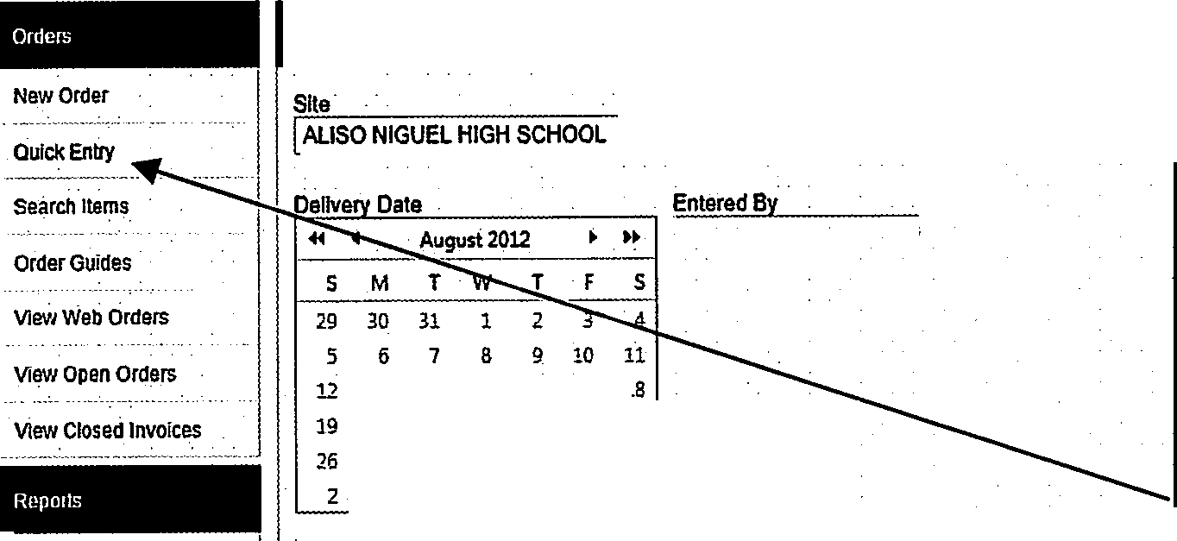
'-----------'---'El=•I ·@ Bread O Broadline O USDA
Order Type
D ct Usage by Vendor Comments Stte Usage by Vendor
USDA Live Inventory USDA Lot HiStory USDA Usage by Dlslrict
Rawcommodi!Y Balances
Commodity Discount By Vendor
 | --1 |  |  | 1,5-BAM
,;;i '•' |  |  |  | 8/15/2Dn
1. . x

I
_

Table 58
*
&Yi\ tJGOLD STAR FOODS After keying in your items, click on Preview Order.
 |  |  |  |  | li{;1 10;; ;r 1ir J} % t ; r: ; c ;;_: :.·;- J :W,M;fl p l1l C X GoldSiarO lineOrdering-:., X ;if,iintemot ,.; . nnoi!f1Spl1!,.. • • G @
1. : . ,t;i;;}'•' (I'@ fl} http://online.goldstorfoods.com/QuickEntryOrder.asp>
¹ □1l2
 |  | /f | GOLD STAR FQQDS
 |  |  |  |  |  |  |  | □
 | o |  |  |  |  |  | Logout

 |  |  |  | Quick Entry

 |  |  |  |  |  | Product ego Group ERY DONUT EAL OATMEAL BROWN RICE !Pre ey,Order l
 |  |  |  | Items list

NewOrtler
Site
Order :Type
QUICl<Enl!y
AIL_I_S_O_N_IG_U_ELH._IG_H_S_C_H_O_OL -- G=-I. • Bread ® Breadline O USDA
searehllems
Delivery Date Entered By
!S12112_0_12 il!ffil
Order Guides
View Web Orders ^{Comments} View Open Orde.rs
View Closed Invoices
Dislr!ct Usage by Vendor
Item#
102406
Qty
: CJ .-3-,
{] --2
Description
Mfg.#
Price Balance Brand
UOM Pack
. sne Usage by Vendor
Item Cat
:wocOLATE 6-PK MINI DONUTS
USDA Live lnvenlory
6686
$4221
USDA LoiHistory
$14.16
SUPER BAKERY
QUAKER
cs
cs
601302 BAK
.202140
£Jr WN SUGAR
43665
48/1.502 CER
USDA Usage by District
₂₀₂₇₅₈ •••••.i•Q -₂ -
,--{;J
JA FE BLACK BN & BROWN
526071/40667 $0.00
UNCLE BEN'S cs 6/25.402 RICE
Raw Commodity Balances
Commodity Discount By Vendor

Table 59
c!5\l\ tJGOLD STAR FOODS Once submitted you will be given an order number and the option to print. You will also be e­ mailed an order confirmation if you prefer to print later. Then you are all done!
 |  |  |  |  |  |  |  |  |  | 11Mr;;;; -,.,;. : ;; "-;;;;;:_,. p §l C XI GoldSiarOnfineOrderi... X | h=d,lfill,W¥:5i!FI intl!flli torercanng di., 0Mo[tgage es,<:red'rtc.r.,. . .... G © I Logout100l72
. ' ·i!J•: ,;i;J,.. . . .. . J . (l'@)J http://onlin,.goldstarfoods.com/Qui k ntry0rd,r,aopx?N0N=35907

 |  | J GOLD STAR FQQDS
,
 | [,,,!
 |  |  |  |  |  |  |  |  |  |  |  | '

 |  |  | ◄ August2012 ► ►►
 |  |  | s | M | T | w | T | F | s
 |  |  | 29 | 30 | 31 | 1 | 2 | 3 | 4
 |  |  | 5 | 6 | 7 | 8 | g | 10 | 11
 |  |  | 12 | 13 | 14 | 15 | 16 | 17 | 18
*
 |  |  | 19 | 20 | 21 | 22 | 23 | 24 | 25
 |  |  | 26 | 27 | 28 | 29 | 30 | 31 | 1
 |  |  | 2 | 3 | 4 | s | 6 | 7 | 8
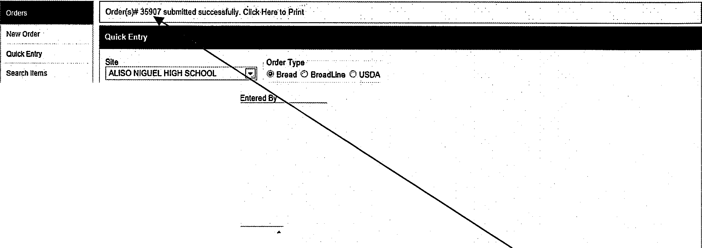
--.;:_,
- ,
Order Guides
DeIvIenvD ate
View Web Orders
View Open Orders View Closed Invoices
District Usage by Vendor
Stte Usage by Vendor
Comments
USDA live Inventory
USDA Loi History
USDA Usage by District I,Start O!(ler1(1g I
RawCommodttY Balances
Commodity Discount By Vendor
Order changes or add-on:
If you need to make changes to your order or add something on, please call or e-mail your Gold Star Foods Customer Service Representative and reference your order number.

